C5.A
Back to contents
 | Chart A: Government borrowing in advanced economies since 2016
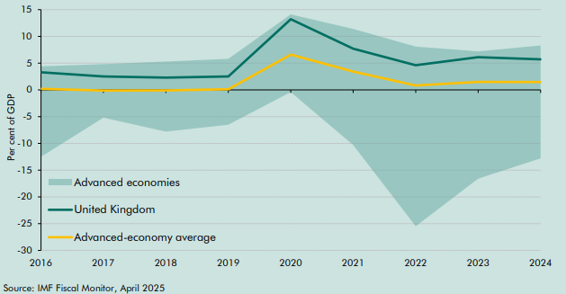

 |  | 2016 | 2017 | 2018 | 2019 | 2020 | 2021 | 2022 | 2023 | 2024
 | United Kingdom | 3.3 | 2.5 | 2.3 | 2.5 | 13.2 | 7.7 | 4.6 | 6.1 | 5.7
 | Advanced-economy average | 0.2 | -0.1 | -0.1 | 0.1 | 6.6 | 3.4 | 0.8 | 1.5 | 1.5
 | Advanced economies minimum | -12.5 | -5.2 | -7.8 | -6.5 | -0.4 | -10.3 | -25.5 | -16.6 | -12.8
 | Advanced economies maximum | 4.4 | 4.8 | 5.3 | 5.8 | 14.1 | 11.4 | 8.1 | 7.2 | 8.3

C5.B
Back to contents
 | Chart B: Government borrowing in advanced economies in 2024
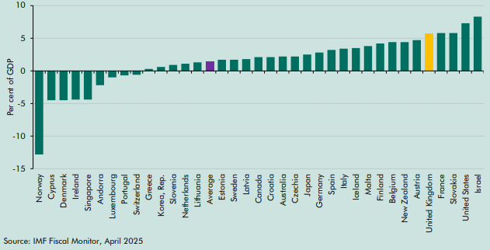

 |  | Government borrowing
 | Norway | -12.8
 | Cyprus | -4.5
 | Denmark | -4.5
 | Ireland | -4.4
 | Singapore | -4.4
 | Andorra | -2.2
 | Luxembourg | -1.0
 | Portugal | -0.7
 | Switzerland | -0.6
 | Greece | 0.3
 | Korea, Rep. | 0.6
 | Slovenia | 0.9
 | Netherlands | 1.1
 | Lithuania | 1.3
 | Average | 1.5
 | Estonia | 1.7
 | Sweden | 1.7
 | Latvia | 1.8
 | Canada | 2.1
 | Croatia | 2.1
 | Australia | 2.2
 | Czechia | 2.2
 | Japan | 2.5
 | Germany | 2.8
 | Spain | 3.2
 | Italy | 3.4
 | Iceland | 3.5
 | Malta | 3.8
 | Finland | 4.2
 | Belgium | 4.4
 | New Zealand | 4.4
 | Austria | 4.7
 | United Kingdom | 5.7
 | France | 5.8
 | Slovakia | 5.8
 | United States | 7.3
 | Israel | 8.3

C5.C
Back to contents
 | Chart C: Government net debt in advanced economies since 2016
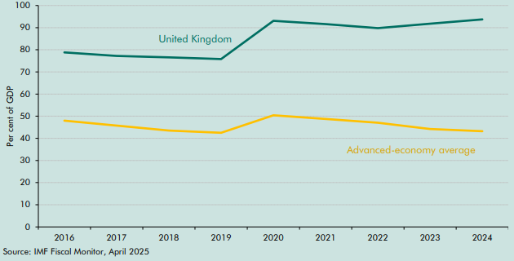

 |  | 2016 | 2017 | 2018 | 2019 | 2020 | 2021 | 2022 | 2023 | 2024
 | United Kingdom | 78.8 | 77.2 | 76.6 | 75.8 | 93.1 | 91.6 | 89.8 | 91.8 | 93.7
 | Advanced-economy average | 48.0 | 45.8 | 43.5 | 42.5 | 50.4 | 48.8 | 47.0 | 44.2 | 43.2

C5.1
Back to contents
 | Chart 5.1: Changes to the 50 risks recorded on OBR fiscal risk register since 2023
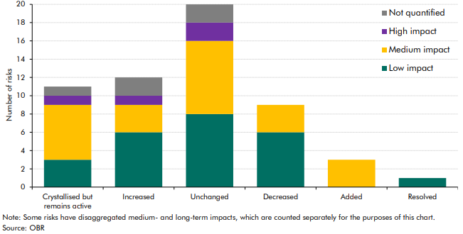

 |  | Low impact | Medium impact | High impact | Not quantified
 | Crystallised but remains active | 3 | 6 | 1 | 1
 | Increased | 6 | 3 | 1 | 2
 | Unchanged | 8 | 8 | 2 | 2
 | Decreased | 6 | 3 | 0 | 0
 | Added | 0 | 3 | 0 | 0
 | Resolved | 1 | 0 | 0 | 0

C5.2
Back to contents
 | Chart 5.2: The UK’s largest trading partners
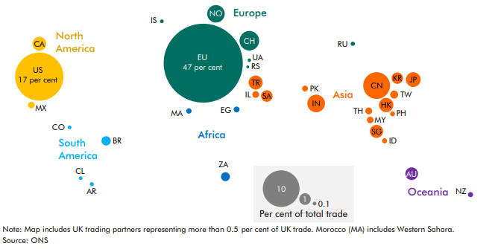

 | Country | ISO | % of total trade
 | EU | EU | 46.5
 | United States | US | 17.4
 | China | CN | 5.3
 | Switzerland | CH | 2.8
 | India | IN | 2.3
 | Norway | NO | 2.3
 | Japan | JP | 1.6
 | Hong Kong | HK | 1.5
 | Turkey | TR | 1.5
 | Canada | CA | 1.4
 | Singapore | SG | 1.3
 | Australia | AU | 1.2
 | Saudi Arabia | SA | 1.0
 | Republic of Korea | KR | 1.0
 | Brazil | BR | 0.6
 | South Africa | ZA | 0.6
 | Taiwan, Republic of China | TW | 0.5
 | Thailand | TH | 0.4
 | Israel | IL | 0.3
 | Mexico | MX | 0.3
 | Malaysia | MY | 0.3
 | Egypt | EG | 0.3
 | Pakistan | PK | 0.2
 | Morocco | MA | 0.2
 | New Zealand | NZ | 0.2
 | Indonesia | ID | 0.2
 | Philippines | PH | 0.2
 | Russian Federation | RU | 0.1
 | Argentina | AR | 0.1
 | Iceland | IS | 0.1
 | Colombia | CO | 0.1
 | Chile | CL | 0.1
 | Ukraine | UA | 0.1
 | Serbia | RS | 0.1

C5.3
Back to contents
 | Chart 5.3: Cyber security incidents reported to the UK ICO
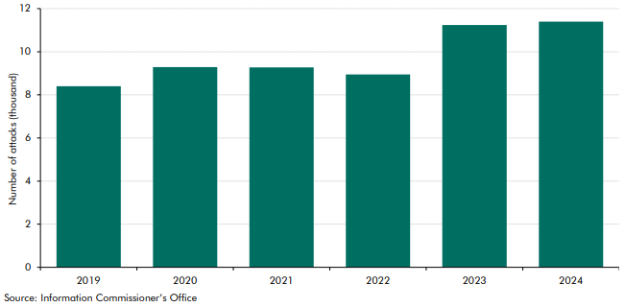

 |  | 2019 | 2020 | 2021 | 2022 | 2023 | 2024
 | Cyber attacks (thousand) | 8.4 | 9.3 | 9.3 | 8.9 | 11.2 | 11.4

C5.4
Back to contents
 | Chart 5.4: Cryptoasset ownership over time and by demographic group
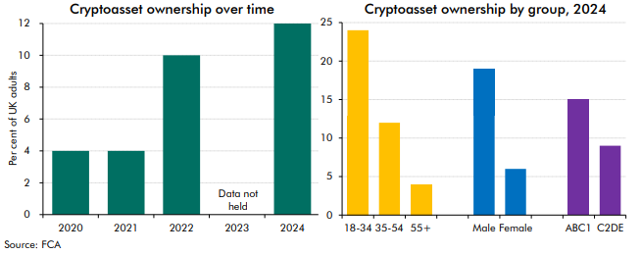

 | Cryptoasset ownership over time | 2020 | 2021 | 2022 | 2023 | 2024 | Ownership by group | 18-34 | 35-54 | 55+ | Male | Female | ABC1 | C2DE
 | Per cent of UK adults | 4 | 4 | 10 | Data not held | 12 | Per cent of UK adults | 24 | 12 | 4 | 19 | 6 | 15 | 9

C5.5
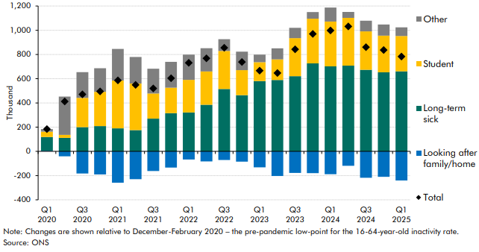
Back to contents
 | Chart 5.5: Health-related inactivity: change since 2020

 |  | Total | Student | Looking after family/home | Long-term sick | Other
 | Q1 2020 | 184 | 44 | 5 | 114 | 21
 | Q2 2020 | 412 | 25 | -41 | 112 | 317
 | Q3 2020 | 471 | 242 | -183 | 200 | 212
 | Q4 2020 | 496 | 283 | -191 | 209 | 195
 | Q1 2021 | 587 | 394 | -259 | 190 | 261
 | Q2 2021 | 549 | 385 | -230 | 175 | 219
 | Q3 2021 | 520 | 208 | -162 | 271 | 204
 | Q4 2021 | 605 | 210 | -134 | 316 | 213
 | Q1 2022 | 731 | 269 | -68 | 322 | 208
 | Q2 2022 | 769 | 275 | -83 | 385 | 192
 | Q3 2022 | 855 | 315 | -71 | 515 | 97
 | Q4 2022 | 738 | 207 | -85 | 464 | 152
 | Q1 2023 | 667 | 156 | -132 | 581 | 62
 | Q2 2023 | 647 | 170 | -203 | 590 | 91
 | Q3 2023 | 843 | 315 | -178 | 621 | 85
 | Q4 2023 | 970 | 368 | -180 | 727 | 55
 | Q1 2024 | 999 | 369 | -189 | 702 | 116
 | Q2 2024 | 1,032 | 394 | -119 | 708 | 49
 | Q3 2024 | 861 | 317 | -218 | 674 | 88
 | Q4 2024 | 837 | 302 | -210 | 653 | 93
 | Q1 2025 | 783 | 292 | -241 | 661 | 71

C5.6
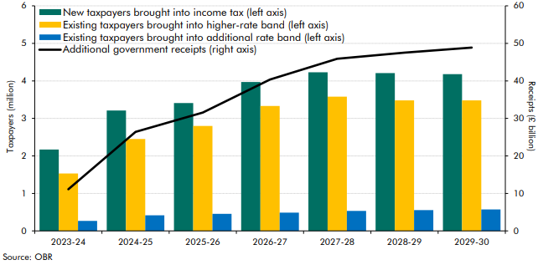
Back to contents
 | Chart 5.6: Effect of threshold freezes on additional taxpayers and receipts

 |  | 2023-24 | 2024-25 | 2025-26 | 2026-27 | 2027-28 | 2028-29 | 2029-30
 | New taxpayers brought into income tax | 2.2 | 3.2 | 3.4 | 4.0 | 4.2 | 4.2 | 4.2
 | Existing taxpayers brought into higher-rate band | 1.5 | 2.5 | 2.8 | 3.3 | 3.6 | 3.5 | 3.5
 | Existing taxpayers brought into additional rate band | 0.3 | 0.4 | 0.5 | 0.5 | 0.5 | 0.6 | 0.6
 | Additional government receipts (£ billion) | 11.1 | 26.4 | 31.6 | 40.4 | 45.9 | 47.5 | 48.9

C5.7
Back to contents
 | Chart 5.7: DEL policy changes at fiscal events
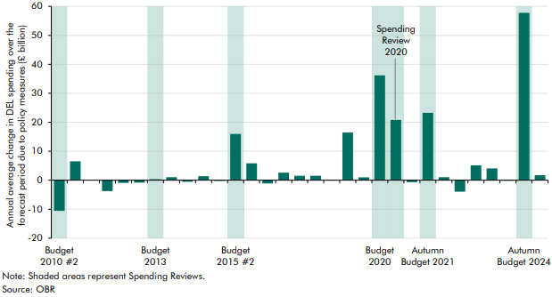

 |  | Average per year at forecasts (£ billion)
 | Budget 2010 #2 | -10.6
 | Autumn 2010 | 6.5
 | Budget 2011 | 0.1
 | Autumn 2011 | -3.7
 | Budget 2012 | -0.9
 | Autumn 2012 | -0.8
 | Budget 2013 | 0.4
 | Autumn 2013 | 1.1
 | Budget 2014 | -0.5
 | Autumn 2014 | 1.4
 | Budget 2015 | -0.2
 | Budget 2015 #2 | 15.9
 | Autumn 2015 | 5.8
 | Budget 2016 | -1.1
 | Autumn 2016 | 2.6
 | Budget 2017 | 1.5
 | Autumn Budget 2017 | 1.5
 | Spring Statement 2018 | -0.1
 | Budget 2018 | 16.4
 | Spring Statement 2019 | 1.0
 | Budget 2020 | 36.2
 | Spending Review 2020 | 20.8
 | Spring Budget 2021 | -0.7
 | Autumn Budget 2021 | 23.2
 | Spring Statement 2022 | 1.0
 | Autumn Statement 2022 | -4.0
 | Spring Budget 2023 | 5.1
 | Autumn Statement 2023 | 4.1
 | Spring Budget 2024 | -0.2
 | Autumn Budget 2024 | 57.8
 | Spring Statement 2025 | 1.7

